Sheet1
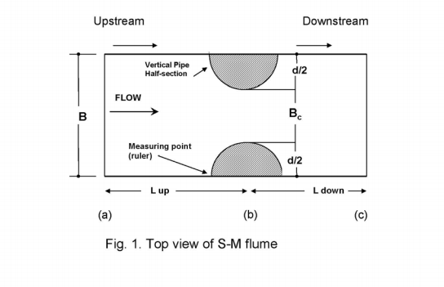

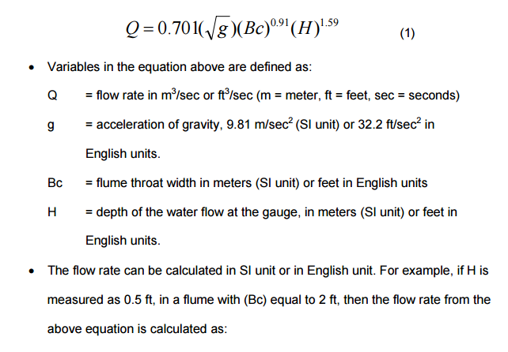

 |  | Flume Throat Width in Feet (Bc): | 1.00
 |  | Depth of Water Flow at the Gauge (H): | 0.55

 |  |  | Discharge in Cubic Feet per Second: | 1.54

Square Root g: | 5.6745043836
H to 1.59 Power: | 0.38652418783
Bc to .91 Power: | 1

